2023
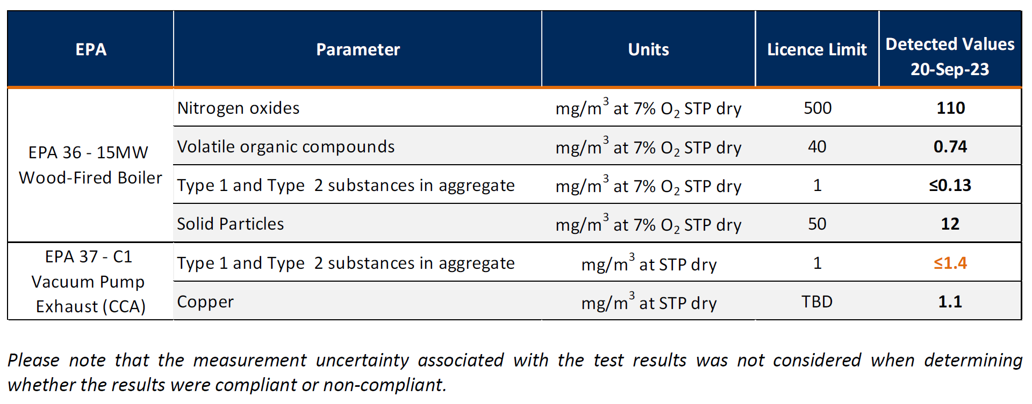
Bombala Mill, EPL Licence No. 11205
Link to full licence: https://apps.epa.nsw.gov.au/prpoeoapp/Detail.aspx?instid=11205&id=11205&option=licence&searchrange=licence&range=POEO
Licensee: Porta Products, 1 Sandy Lane, Bombala NSW 2632
Location of Monitoring Points: See figure in "Figure" tab

AIR EMISSIONS TESTING

Monitoring Point ID on licence (see Figure) | Reference ID in tables below | Monitoring location | Monitoring frequency required by licence | Comments

23 | EPA23 | 2.5MW Redry Boiler | Biannual | Boiler off-line from February 2023
36 | EPA36 | 15MW Wood-fired Boiler | Biannual
37 | EPA37 | C1 Vacuum Pump Exhaust | Annual

12 April 2023 monitoring

20 September 2023 monitoring

